Simulation Results
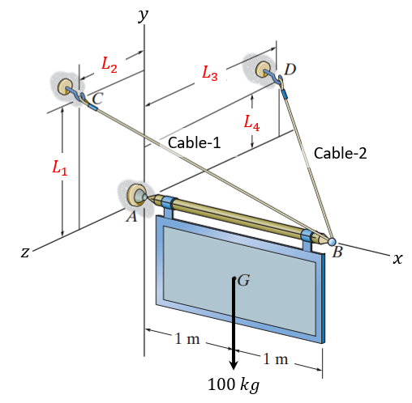
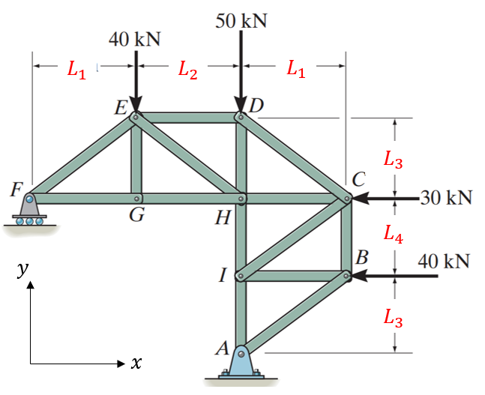
Model-Number (0-9) | Model-Number (0-9)
Reaction Force @ A | Reaction Force @ A
Ax | Ax
Ay | Ay
Az | Member Forces
Tension in Cables | FEH
Cable-1 | FCD
Cable-2 | FCI

